Pavements
Item No. | Activity/ Task Description | Inspection Point: Quality Control Activity | Acceptance Criteria | Verifying Document | Frequency |  | Inspection Type | Inspection
 |  |  |  |  |  |  |  | Key | By | Checked (PM Initial) | Date
4.0 | Pavements | Final Sign Off | All below requirements are met and approved by CR | Referenced Item numbers as below | Once post construction |  | Hold Point | H | ER
4.1 | Source Properties as per NZS 4407 |  | Subbase AP65
4.1.1 | Crushing Resistance Test 3.10 | Samples to be sent to lab for testing or provided by quarry | Under a load of 100 kN less than 10% fines passing 2.36mm sieve size shall be produced | IANZ Lab Report | Once Per Source/Supplier |  | Review | R | ER
4.1.2 | Weathering Quality Index Test Test 3.11 |  | AA, AB, AC, BA, BB, or CA | IANZ Lab Report | Once Per Source/Supplier |  | Review | R | ER
4.1.3 | Soaked CBR Test Test 3.15 |  | CBR ≥ 80% | IANZ Lab Report | Once Per Source/Supplier |  | Review | R | ER
4.2 | Production Properties as per NZS 4407 |  | Subbase AP65
4.2.1 | Quality of Fines - SE 3.6 - CI 3.5 - PI 3.4 | Samples to be sent to lab for testing or provided by quarry | SE ≥ 25 CI ≤ 3 PI ≤ 6 | IANZ Lab Report | Once Per Source/Supplier |  | Review | R | ER
4.2.2 | Broken Face Content Test 3.14 |  | In each of the aggregate fractions between the 63.0mm and 4.75mm sieves, not less than 60% by weight shall have two or more broken faces. | IANZ Lab Report | Once Per Source/Supplier |  | Review | R | ER
4.2.3 | Particle Size Distribution Test 3.8.1 |  | 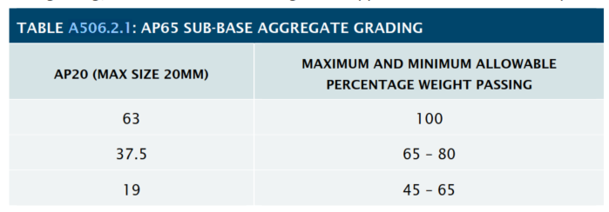 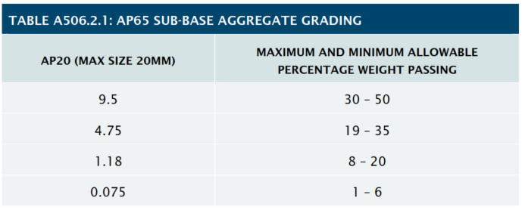 As per Table to A506.2.1 | IANZ Lab Report | Once Per Source/Supplier |  | Review | R | ER
4.3 | Source Properties as per NZTA M-4 |  | Basecourse AP40
4.3.1 | Crushing Resistance Test 3.1 | Samples to be sent to lab for testing or provided by quarry | Under 130kN load < 10% fines passing 2.36mm sieve. | IANZ Lab Report | Once per 10,000m3 |  | Review | R | ER
4.3.2 | Weathering Quality Index Test 3.11 |  | AA,AB,BA,BB,CA | IANZ Lab Report |  |  | Review | R | ER
4.3.3 | California Bearing Ratio Test 3.15 |  | Not less than 80% | IANZ Lab Report |  |  | Review | R | ER
4.4 | Production Properties as per NZTA M-4 |  | Basecourse AP40
4.4.1 | Quality of Fines - SE 3.6 - CI 3.5 - PI 3.4 | Samples to be sent to lab for testing or provided by quarry | SE ≥ 40 CI ≤ 3 PI ≤ 5 | IANZ Lab Report | Lot Size = | < 400m2 = 2 Samples | Review | R | ER
4.4.2 | Broken Face Content Test 3.14 |  | 19mm - 37.5mm - NOT LESS THAN 70% 9.5mm - 19.0mm - NOT LESS THAN 70% 4.75mm - 9.5mm - NOT LESS THAN 70% | IANZ Lab Report |  | 400 to 1500m2 = 3 Samples | Review | R | ER
4.4.3 | Particle Size Distribution Test 3.8.1 |  | As per NZTA M/4 AP40 PSD Requirements | IANZ Lab Report |  | 1500 to 4000m3 = 4 Samples | Review | R | ER
4.5 | Pavement Construction
 |  |  | Require formal sign off record of previous layer prior to placment of next layer. DNZ to develop sign off sheet or approval system of work.
4.5.1 | Visual inspection of final trimmed subgrade surface | Pre pavement construction visual inspection | Entire surface to be firm, uniform and smooth. | Site Inspection Form | Once per construction area |  | Witness Point | W | PM & ER
4.5.2 | Survey Setout | Height Check | Check to ensure pegs are still sitting at correct height from initial set out. | Visual | Prior to subbase construction |  | Check | C | SV
 |  |  | Target MDD to be approved prior to Construction. Lab MDD Reports to be submitted for Approval.
4.5.3 | Subbase Compaction | NDM - Dry Density | Mean DD ≥ 95% of MDD Minimum DD ≥ 92% of MDD | IANZ Lab & Report NDM Report | MDD to be determind per 5000m2 of material laid. Compacted layer to be tested in 1000m2 lots, at randomly generated locations. |  | Hold Point | H | PM & ER
4.5.4 | Subbase Deflection | Benklemen Beam Test | Maximum Deflections of not more than (see surfacing notes) | IANZ Report and Truck Weightbridge Docket (where applicable) | 10m Intervals - alternating wheel paths |  | Hold Point | H | PM & ER
4.5.5 | Level Compliance | Survey As-built | Subbase level to be within +5mm / - 25mm of design | 20m Survey Cross Sections | 20m Cross Sections |  | Witness Point | W | PM & ER
4.5.6 | Basecourse Compaction | NDM - Dry Density | Mean DD ≥ 98% of MDD Minimum DD ≥ 95% of MDD | IANZ Lab & Report NDM Report | MDD to be determind per 5000m2 of material laid. Compacted layer to be tested in 1000m2 lots, at randomly generated locations. |  | Hold Point | H | PM & ER
4.5.7 | Basecourse Deflections | Benklemen Beam Test | Only Required if subbase BB not completed - Engineer to advise target | IANZ Report and Truck Weightbridge Docket (where applicable) | 10m Intervals - alternating wheel paths |  | Hold Point | H | PM & ER
4.5.8 | Final Surface Shape & Levels | Straight Edge Survey As-built | Pavement shall not deviate greater than 10mm under a 3m straight edge. No area of pavement shall pond water where grade is greater than 1%. Pavement to be within +15mm / -5mm of design levels (or +/- 5mm against the lip of a channel) | Straight Edge Sheet Site Inspection Form 20m Survey Cross Sections | Once per construction area 20m Cross Sections |  | Hold Point | H | PM & ER
4.5.9 | Final Surface Visual Inspection | Onsite Surface Inspection | Shall present a swpet, tightly consolidated surface in which: - Large aggregate is exposed to the surface & held in place with a matrix of smaller agregates. - Smaller aggregate is held in place by fines material - Matrix does not displace under normal trafficing or sweeping. | Site Inspection Form | Once per construction area |  | Hold Point | H | PM & ER
COMMENTS
Item 4.1.2: Removed CB as it was not included in tech spec (506.2.1) |  |  |  |  |  | Customer Release Granted: | ☐ Yes | ☐ No | Date:
 |  |  |  |  |  | Certificate Number:

